VPC Fundamentals
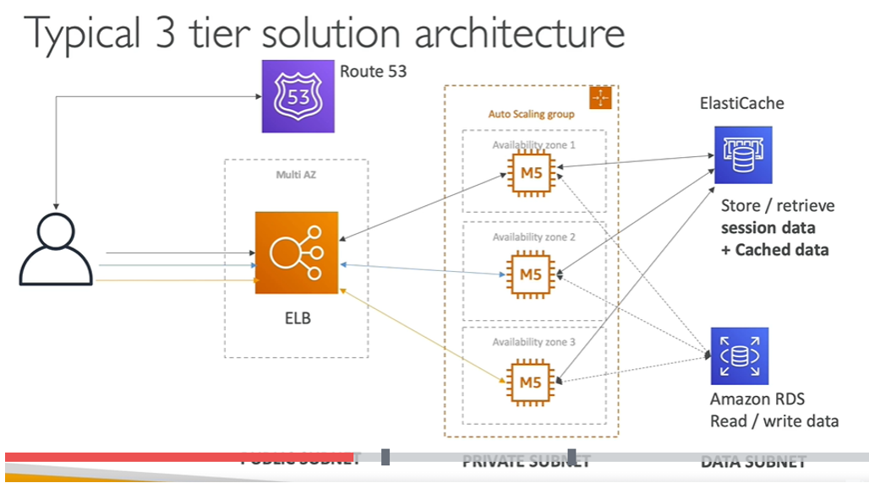
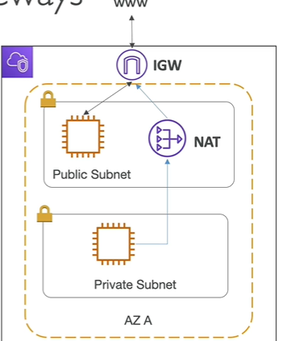
Terms | Full Form | Definition | NOTE
Topics 6) : VPC Fundamentals
VPC | Virtual Private Cloud | private network to deploy resources( regional resource) | one default VPC per AWS region
Subnet |  | allow to partition nwtwork inside VPC (AZ resource) | launching ec2 instance, tied to AZ
 |  | public subnet | accessible from the internet
 |  | private subnet | not accessible from the internet
IGW | Internet Gateway | help VPC instance connect with the internet | at VPC level, provide internet access
NAT | Network address translation | private subnet will access by NAT and it connect to IGW
NACL | Netwok Access Control List | a firewall which control traffic from and to subnet | attached at subnet level
 |  |  | can have allow and deny rules
 |  |  | support allow and deny rules
 |  | security group | operate at instance level
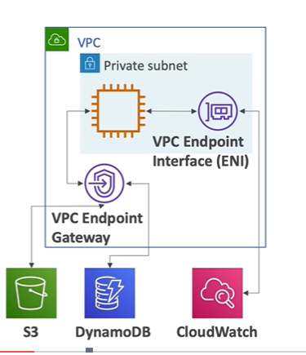
 |  |  | support allow rules only
VPC Peering |  | connect two VPC privately using AWS network with non overlapping ip ranges
VPC Endpoint |  | provide private access to aws service(privately) within VPC | ex:) s3 and dynamo db
 |  |  | used within VPC
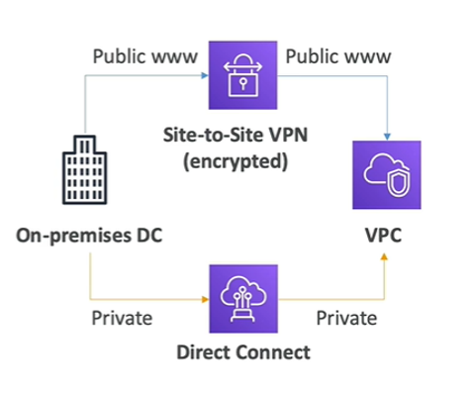
On premises DC |  | is a group of server that privately own and control

 |  | lamp stack on ec2: linux -os for ec2 instance, apache : web server that run on linux(ec2), mysql: database on RDS,php :---application logic( runing on ec2)

 |  |  | three tier architecture

aws elastic beanstalk
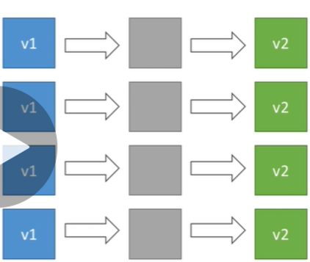
Terms | Full Form | Definition | NOTE | Diagram
Topics 12) : aws elastic beanstalk
Elastic Beanstalk |  | AWS Elastic Beanstalk is an easy-to-use service for deploying and scaling web applications and services developed with Java, .NET, PHP, Node.js, Python, Ruby, Go, and Docker on familiar servers such as Apache |  |  | 1
 |  | Elastic Beanstalk Deployment
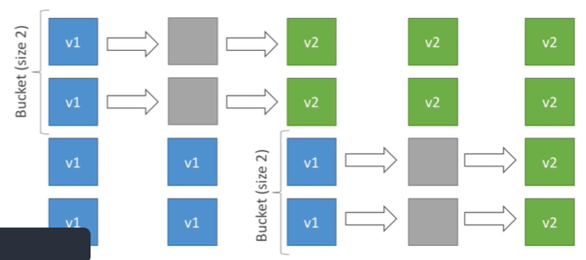
 |  | 1) All at once | Fastest deployment
 |  |  | Application has downtime |  | 2
 |  |  | Great for quick iterations in development environment
 |  |  | No additional cost
 |  | 2)Rolling | Application is running below capacity
 |  |  | Can set the bucket size
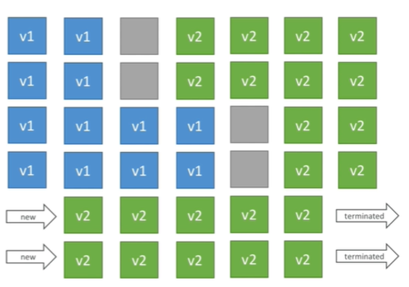
 |  |  | Application is running both versions simultaneously
 |  |  | No additional cost |  | 3
 |  |  | Long deployment
 |  | 3) Rolling with additional batches | Application is running at capacity
 |  |  | Can set the bucket size
 |  |  | Application is running both versions simultaneously
 |  |  | Small additional cost
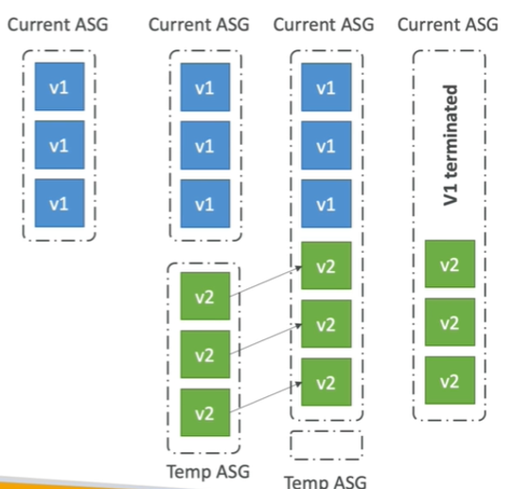
 |  |  | Additional batch is removed at the end of the deployment |  | 4
 |  |  | Longer deployment
 |  |  | Good for prod
 |  | 4) Immutable | Zero downtime
 |  |  | New Code is deployed to new instances on a temporary ASG
 |  |  | High cost, double capacity
 |  |  | Longest deployment
 |  |  | Quick rollback in case of failures (just terminate new ASG)
 |  |  | Great for prod
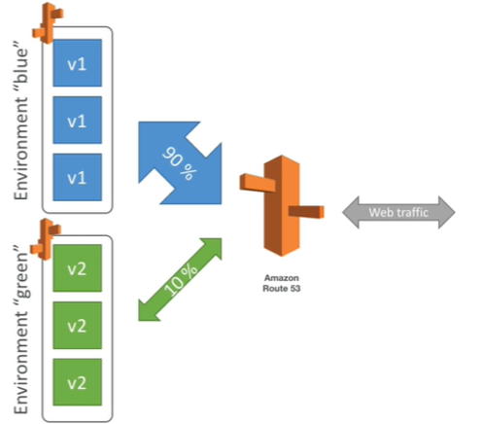
 |  | Blue / Green | Not a “direct feature” of Elastic Beanstalk |  | 5
 |  |  | Zero downtime and release facility
 |  |  | Create a new “stage” environment and deploy v2 there
 |  |  | The new environment (green) can be validated independently and roll back if issues
 |  |  | Route 53 can be setup using weighted policies to redirect a little bit of traffic to the stage environment
 |  |  | Using Beanstalk, “swap URLs” when done with the environment test
 |  | Elastic Beanstalk Deployment Process | Elastic Beanstalk will deploy the zip on each EC2 instance, resolve dependencies and start the application
 |  | Beanstalk Lifecycle Policy | Elastic Beanstalk can store at most 1000 application versions
 |  | To phase out old application versions, use a lifecycle policy | Based on time (old versions are removed) • Based on space (when you have too many versions)
 |  | Elastic Beanstalk Extensions | A zip file containing our code must be deployed to Elastic Beanstalk
 |  | Requirements: | • in the .ebextensions/ directory in the root of source code
 |  |  | YAML / JSON format
 |  |  | .config extensions (example: logging.config)
 |  |  | Ability to add resources such as RDS, ElastiCache, DynamoDB, etc…
 |  |  | Resources managed by .ebextensions get deleted if the environment goes away
 |  | use case ( good to know) | you can define CloudFormation resources in your .ebextensions to provision ElastiCache, an S3 bucket, anything you want
 |  | Elastic Beanstalk Cloning | Clone an environment with the exact same configuration
 |  |  | Useful for deploying a “test” version of your application
 |  |  | After cloning an environment, you can change settings
 |  | Elastic Beanstalk Migration: Load Balancer | After creating an Elastic Beanstalk environment, you cannot change the Elastic Load Balancer type (only the configuration)
 |  | Elastic Beanstalk – Single Docker | Run your application as a single docker container
 |  |  | Beanstalk in Single Docker Container does not use ECS
 |  | Elastic Beanstalk – Multi Docker Container | • Multi Docker helps run multiple containers per EC2 instance in EB
 |  | This will create for you: | ECS Cluster
 |  |  | EC2 instances, configured to use the ECS Cluster
 |  |  | Load Balancer (in high availability mode)
 |  |  | Task definitions and execution
 |  |  | Requires a config Dockerrun.aws.json (v2) at the root of source code
 |  |  | • Dockerrun.aws.json is used to generate the ECS task definition
 |  | Beanstalk with HTTPS | • Idea: Load the SSL certificate onto the Load Balancer
 |  |  | •.ebextensions/securelistener-alb.config •
 |  |  | Can be done from the code: .ebextensions/securelistener-alb.config
 |  |  | SSL Certificate can be provisioned using ACM (AWS Certificate Manager) or CLI
 |  |  | • Must configure a security group rule to allow incoming port 443 (HTTPS port)
 |  | Custom Image | is to tweak an existing Beanstalk Platform (Python, Node.js, Java…)
 |  | Custom Platform | is to create an entirely new Beanstalk Platform
question
1 |  | I would like to customize the runtime of Elastic Beanstalk and include some of my company wide security software. I should | custom platform
 |  | What service does Elastic Beanstalk use under the hood? | aws clouformation
 |  | How can you remove older versions that are not used by Elastic Beanstalk so that new versions can be created for your applications? | lifecycle policy
 |  | You have created a test environment in Elastic Beanstalk and as part of that environment, you have created an RDS database. How can you make sure the database can be explored after the environment is destroyed? | make a snapshot of db before it get deleted
 |  | You can define periodic tasks in a file cron.yaml

messaging sqs,sns,kinesis
Terms | Full Form | Definition | NOTE
Topics 16) : messaging sqs,sns,kinesis
 |  | synchronous communication | applicaion to application. directly talking with each other
 |  | Asynchronous / Event based | application to queue to application
 |  | NOTE | deploy multiple application they need to communicate
 |  | synchronous application problem | sudden spikes of traffic
 |  | in that case | it’s better to decouple(separate) your applications,
 |  | using SQS | queue model
 |  | using SNS: | pub/sub model
 |  | using Kinesis: | real-time streaming model
Queue |  |  | producers send message to queue and consumers polls message from queue
SQS | Simple Queue Service | is a fully managed message queuing service that enables you to decouple and scale microservices, distributed systems, and serverless applications | With serverless computing, your application still runs on servers, but all the server management is done by AWS .sqs store message until microservice and serverless application process them
 |  | decoupled application | A decoupled application architecture allows each component to perform its tasks independently
 |  | SQS Producing Message | Oldest offering (over 10 years old)
 |  |  | Produced to SQS using the SDK (SendMessage API)
 |  |  | The message is persisted in SQS until a consumer deletes it
 |  |  | Message retention: default 4 days, up to 14 days
 |  |  | Limitation of 256KB per message sent
 |  |  | • Example: send an order to be processed • Order id • Customer id
 |  |  | SQS standard: unlimited throughput
 |  |  | Can have duplicate messages
 |  | SQS – Consuming Messages | Consumers (running on EC2 instances, servers, or AWS Lambda)…
 |  |  | Poll SQS for messages (receive up to 10 messages at a time)
 |  |  | Process the messages (example: insert the message into an RDS database)
 |  |  | Delete the messages using the DeleteMessage API
 |  | SQS to decouple between application tiers
 |  | Requirement need to process video | To frontend request will come and it pass to sqs then backened will process and insert it into s3 ( here application are independent with each other)
SQS - Security |  | Encryption | In-flight encryption using HTTPS API
 |  |  | At-rest encryption using KMS keys
 |  |  | Client-side encryption if the client wants to perform encryption/decryption itself
 |  | Access Controls | IAM policies to regulate access to the SQS API
 |  | SQS Access Policies | (similar to S3 bucket policies)
 |  |  | Useful for cross-account access to SQS queues
 |  |  | Useful for allowing other services (SNS, S3…) to write to an SQS queue
 |  | good to know | purge will delete all message in queue
 |  | SQS – Message Visibility Timeout | When message is processed by consumer other consumer cant process it during visibility time period if message is not deleted then after visibility time period consumer can process it
 |  |  | • By default, the “message visibility timeout” is 30 seconds. minimum is 0 seconds. The maximum is 12 hours.
 |  |  | if a time taking by consumer is more to consume message( not able to process within visibility timeout) then it will call api ChangeMessageVisibility to get more time
 |  |  | If visibility timeout is too low (seconds), we may get duplicates
 |  |  | we need to read message in visibility time period only
DLQ |  | SQS – Dead Letter Queue | If a consumer fails to process a message within the Visibility Timeout… the message goes back to the queue. Useful for debugging
 |  | Make sure to process the messages in the DLQ before they expire | Good to set a retention of 14 days in the DLQ
 |  | Delay Queue | Delay a message (consumers don’t see it immediately) up to 15 minutes
 |  |  | Default is 0 seconds (message is available right away)
 |  |  | • Can set a default at queue level
 |  |  | Can override the default on send using the DelaySeconds parameter
 |  | SQS - Long Polling | When a consumer requests messages from the queue, it can optionally “wait” for messages to arrive if there are none in the queue
 |  |  | LongPolling decreases the number of API calls made to SQS while increasing the efficiency and latency of your application
 |  |  | The wait time can be between 1 sec to 20 sec (20 sec preferable)
 |  |  | Long polling can be enabled at the queue level or at the API level using WaitTimeSeconds
 |  | SQS Extended Client | Message size limit is 256KB, how to send large messages, e.g. 1GB?
 |  |  | SQS will tell to consumer hey go and retrieve bigger message from s3
 |  | SQS – Must know API
 |  | CreateQueue (MessageRetentionPeriod), DeleteQueue
 |  | PurgeQueue | delete all the messages in queue
 |  | SendMessage (DelaySeconds), ReceiveMessage, DeleteMessage
 |  | ReceiveMessageWaitTimeSeconds: | Long Polling
 |  | ChangeMessageVisibility | change the message timeout
 |  | Batch APIs for SendMessage, DeleteMessage, ChangeMessageVisibility | helps decrease your costs
 |  | SQS – FIFO Queue | removing duplicates , maintain ordering of message
 |  | Limited throughput | 300 msg/s without batching, 3000 msg/s with
 |  | Deduplication of message | if we send same message twice to SQS within 5 minutes the second message will refuse.
 |  | Content-based deduplication | will do a SHA-256 hash of the message body
 |  | SQS FIFO – Message Grouping | • If you specify the same value of MessageGroupID in an SQS FIFO queue, you can only have one consumer, and all the messages are in order
SNS | Simple Notification Service | SNS uses the publish/sub model for push delivery of messages | • The “event producer” only sends message to one SNS topic
 |  |  | Each subscriber to the topic will get all the messages
 |  |  | Up to 10,000,000 subscriptions per topic
 |  |  | 100,000 topics limit
 |  | Subscribers can be | • SQS • HTTP / HTTPS • Lambda • Emails • SMS messages • Mobile Notifications
 |  | AWS SNS – How to publish
 |  | • Topic Publish (using the SDK) | Create a topic • Create a subscription (or many) • Publish to the topic
SNS – Security |  | Similar to SQS
 |  | SNS + SQS: Fan Out | • Push once in SNS, receive in all SQS queues that are subscribers
 |  |  | Ability to add more SQS subscribers over time
 |  |  | Make sure your SQS queue access policy allows for SNS to write
 |  |  | SNS cannot send messages to SQS FIFO queues (AWS limitation)
 |  | Application: S3 Events to multiple queues | If you want to send the same S3 event to many SQS queues, use fan-out
Kinesis |  | use for computation of real time data arrived through stream | Kinesis is a managed alternative to Apache Kafka
 |  |  | Great for application logs, metrics, IoT, clickstreams
 |  |  | Great for “real-time” big data
 |  |  | Great for streaming processing frameworks (Spark, NiFi, etc…)
 |  |  | Data is automatically replicated to 3 AZ
 |  | Kinesis Streams | collect and store data
 |  | Kinesis Analytics: | perform real-time analytics on streams using SQL/ process and deliver data
 |  | Kinesis Firehose: | load streams into S3, Redshift, ElasticSearch/ analyze streaming data
 |  | note | Data produces into kinesis stream and kinesis analytic want to processing the data( computation in real time data) and store data in kinesis firehouse(s3,database)
 |  | Difference between sqs and kinesis | In sqs : once data is consumed data is gone but while in kinesis data is still there and it will expire after sometime
 |  |  | In sqs no order but in kinesis record are going to be in order per shards
 |  | Kinesis Streams Overview | Streams are divided in ordered Shards / Partitions
 |  |  | Data retention is 1 day by default, can go up to 7 days
 |  |  | Multiple applications can consume the same stream
 |  |  | Once data is inserted in Kinesis, it can’t be deleted (immutability)
 |  | Resharding | througput increases more and we increase shard while someday throughput decreases then merging of shard occur( shard decrease)\
 |  | Kinesis Streams Shards | One stream is made of many different shards
 |  |  | 1MB/s or 1000 messages/s at write PER SHARD
 |  |  | 2MB/s at read PER SHARD
 |  |  | The number of shards can evolve over time (reshard / merge)
 |  |  | • Records are ordered per shard
 |  | good to know | Key is hashed to determine shard id
 |  |  | hot partition:--message are going in same shard and it will be overloadeds
 |  | AWS Kinesis API – Exceptions
 |  | ProvisionedThroughputExceeded Exceptions | Happens when sending more data (exceeding MB/s or TPS for any shard)
 |  |  | Make sure you don’t have a hot shard
 |  | Solution | • Retries with backoff • Increase shards (scaling) • Ensure your partition key is a good one
KCL |  | Kinesis Client Library | use to consume message from kinesis efficiently
 |  | Kinesis KCL in Depth | Kinesis Client Library (KCL) is Java library that helps read record from a Kinesis Streams with distributed applications sharing the read workload
 |  |  | Rule: each shard is be read by only one KCL instance
 |  |  | KCL can run on EC2, Elastic Beanstalk, on Premise Application
 |  |  | Records are read in order at the shard level
 |  | Kinesis Security | Control access / authorization using IAM policies
 |  |  | Encryption in flight using HTTPS endpoints
 |  |  | Encryption at rest using KMS
 |  |  | Possibility to encrypt / decrypt data client side (harder)
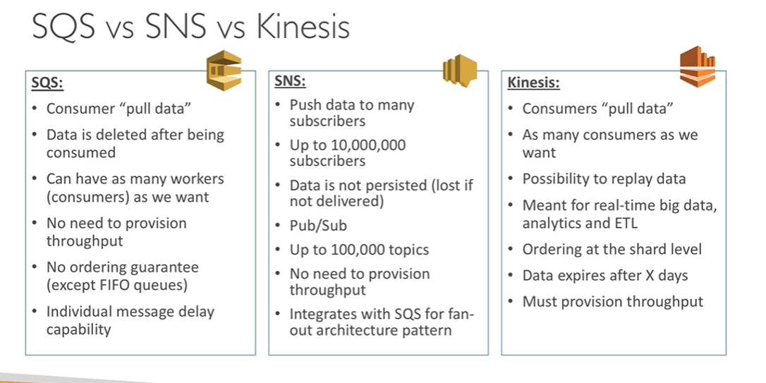
 |  |  | VPC Endpoints available for Kinesis to access within VPC
 |  | SQS vs SNS vs Kinesis

Question
1 |  | SQS scale automatically
2 |  | In KCL, you can have a maximum of EC2 instances running in parallel equal to the number of shards in your Kinesis Stream.
3 |  | you can have as many consumers as GroupID for your FIFO queues

aws security and encryption
Terms | Full Form | Definition | NOTE
Topics 24 )AWS Security and Encryption- KMS,Encryption SDK,SSM Paramter store ,IAM and STS
SSL | Secure Socket Layer | Protocol for web browsers and servers that allows for the authentication, encryption and decryption of data sent over the Internet | is a standard security technology for establishing an encrypted link between a server and a client—typically a web server (website) and a browser, or a mail server and a mail client (e.g., Outlook).
 |  | 1)Encryption in flight (SSL) | Data is encrypted before sending and decrypted after receiving
 |  |  | SSL certificates help with encryption (HTTPS)
 |  |  | Encryption in flight ensures no MITM (man in the middle attack) can happen
 |  | 2) Server Side Encryption | Data is encrypted at server side using key and data send back to client in decrypted form.
 |  |  | Data is encrypted after being received by the server
 |  |  | Data is decrypted before being sent
 |  |  | It is stored in an encrypted form thanks to a key (usually a data key)
 |  |  | The encryption / decryption keys must be managed somewhere and the server must have access to it
 |  | 3) Client side encryption | • Data is encrypted by the client and never decrypted by the server
 |  |  | Data will be decrypted by a receiving client
 |  |  | The server should not be able to decrypt the data. Could leverage Envelope Encryption
KMS | key management Service |  | is an Amazon Web Services product that allows administrators to create, delete and control keys that encrypt data stored in AWS databases and products
 |  |  | Anytime you hear “encryption” for an AWS service, it’s most likely KMS
 |  |  | Easy way to control access to your data, AWS manages keys for us
 |  |  | Fully integrated with IAM for authorization
 |  |  | Seamlessly integrated into: • Amazon EBS: encrypt volumes • Amazon S3: Server side encryption of objects • Amazon Redshift: encryption of data • Amazon RDS: encryption of data • Amazon SSM: Parameter store
 |  | good to know | Only one key (symmetric key) is used, and the same key is used to encrypt and decrypt the message. Two different cryptographic keys (asymmetric keys), called the public and the private keys, are used for encryption and decryption
CMK | Customer Master Key | KMS – Customer Master Key (CMK) Types
 |  | Symmetric (AES-256 keys) | • First offering of KMS, single encryption key that is used to Encrypt and Decrypt
 |  |  | AWS services that are integrated with KMS use Symmetric CMKs
 |  |  | Necessary for envelope encryption
 |  |  | You never get access to the Key unencrypted (must call KMS API to use)
 |  | Asymmetric (RSA & ECC key pairs) | Public (Encrypt) and Private Key (Decrypt) pair
 |  |  | Used for Encrypt/Decrypt, or Sign/Verify operations
 |  |  | The public key is downloadable, but you access the Private Key unencrypted
 |  |  | Use case: encryption outside of AWS by users who can’t call the KMS API
 |  | AWS KMS (Key Management Service) | Able to fully manage the keys & policies: • Create • Rotation policies • Disable • Enable
 |  |  | Able to audit key usage (using CloudTrail)
 |  | AWS KMS 101 | Anytime you need to share sensitive information… use KMS • Database passwords • Credentials to external service • Private Key of SSL certificates
 |  |  | Never ever store your secrets in plaintext, especially in your code
 |  |  | Encrypted secrets can be stored in the code / environment variables
 |  |  | KMS can only help in encrypting up to 4KB of data per call
 |  |  | If data > 4 KB, use envelope encryption
 |  | To give access to KMS to someone: | Make sure the Key Policy allows the user
 |  |  | • Make sure the IAM Policy allows the API calls
 |  | good to know | key are bound to specific region.when snapshot are copied in another region new key generate
 |  | KMS Key Policies | • Control access to KMS keys, “similar” to S3 bucket policies • Diff: you cannot control access without them
 |  | Default KMS Key Policy: | Created if you don’t provide a specific KMS Key Policy
 |  |  | Complete access to the key to the root user = entire AWS account
 |  |  | Gives access to the IAM policies to the KMS key
 |  | Custom KMS Key Policy | Define users, roles that can access the KMS key
 |  |  | Define who can administer the key
 |  |  | Useful for cross-account access of your KMS key
 |  | good to know | Key type : symmetric . Who generated : AWS_KMS Symmetric( default) Usage: encrypt and decrypt
 |  |  | Note: default key policy allow everyone
 |  | Envelope Encryption | KMS Encrypt API call has a limit of 4 KB
 |  |  | • If you want to encrypt >4 KB, we need to use Envelope Encryption
 |  |  | The main API that will help us is the GenerateDataKey API
 |  | S3 Encryption for Objects
 |  | There are 4 methods of encrypting objects in S3 | SSE-S3: encrypts S3 objects using keys handled & managed by AWS
 |  |  | SSE-KMS: leverage AWS Key Management Service to manage encryption keys
 |  |  | SSE-C: when you want to manage your own encryption keys
 |  |  | Client Side Encryption
 |  | why we use KMS | because we have control over key policy and iam who can use it
 |  | 1)SSE-KMS | SSE-KMS: encryption using keys handled & managed by KMS
 |  |  | KMS Advantages: user control + audit trail
 |  |  | Object is encrypted server side
 |  |  | Must set header: “x-amz-server-side-encryption": ”aws:kms"
 |  | SSE-KMS Deep Dive | SSE-KMS leverages the GenerateDataKey & Decrypt KMS API calls
 |  |  | These KMS API calls will show up in CloudTrail, helpful for logging
 |  | To perform SSE-KMS, you need: | A KMS Key Policy that authorizes the user / role
 |  |  | An IAM policy that authorizes access to KMS
 |  |  | Otherwise you will get an access denied error
 |  | S3 calls to KMS for SSE-KMS count against your KMS limits | If throttling, try exponential backoff
 |  |  | If throttling, you can request an increase in KMS limits
 |  |  | The service throttling is KMS, not Amazon S3
 |  | S3 Bucket Policies – Force SSL | To force SSL, create an S3 bucket policy with a DENY on the condition aws:SecureTransport = false
 |  |  | Note: Using an allow on aws:SecureTransport = true would allow anonymous GetObject if using SSL
SSM | Simple System Manager |  | AWS Systems Manager Parameter Store (SSM) provides you with a secure way to store config variables for your applications. ... SSM can store plaintext parameters or KMS encrypted secure strings
 |  | SSM Parameter Store | Secure storage for configuration and secrets • Optional Seamless Encryption using KMS • Serverless, scalable, durable, easy SDK • Version tracking of configurations / secrets • Configuration management using path & IAM • Notifications with CloudWatch Events • Integration with CloudFormation
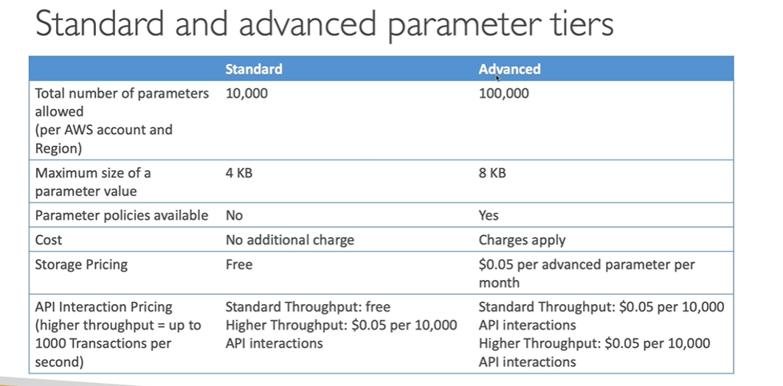
 |  | standard and advanced parameter tier

 |  | Parameters Policies (for advanced parameters) | Allow to assign a TTL to a parameter (expiration date) to force updating or deleting sensitive data such as passwords
 |  |  | Can assign multiple policies at a time
 |  | AWS Secrets Manager | Newer service, meant for storing secrets • Capability to force rotation of secrets every X days • Automate generation of secrets on rotation (uses Lambda) • Integration with Amazon RDS (MySQL, PostgreSQL, Aurora) • Secrets are encrypted using KMS • Mostly meant for RDS integration
 |  | SSM Parameter Store vs Secrets Manager
 |  | • Secrets Manager ($$$): | Automatic rotation of secrets with AWS Lambda
 |  |  | Integration with RDS, Redshift, DocumentDB
 |  |  | • KMS encryption is mandatory
 |  |  | Can integration with CloudFormation
 |  | SSM Parameter Store ($): | Simple API • No secret rotation • KMS encryption is optiona
 |  |  | Can integration with CloudFormation
 |  |  | Can pull a Secrets Manager secret using the SSM Parameter Store API
 |  | CloudWatch Logs - Encryption | You can encrypt CloudWatch logs with KMS keys
 |  |  | • Encryption is enabled at the log group level, by associating a CMK with a log group, either when you create the log group or after it exists
 |  |  | You cannot associate a CMK with a log group using the CloudWatch console
 |  | You must use the CloudWatch Logs API:
 |  | associate-kms-key | if the log group already exists
 |  | create-log-group | if the log group doesn’t exist yet
 |  | CodeBuild Security | Secrets in CodeBuild: • Don’t store them as plaintext in environment variables
 |  |  | Environment variables can reference parameter store parameters
 |  |  | Environment variables can reference secrets manager secrets
question

